Page 1
 |  | Addendum № 2 (page 1)

APPLICATION FORM
For participation in the Third International
«HANDI FLY Euro Challenge- MOSCOW-2018»

( to be sent to Challenge organization committee until 01.06.2018. by E-mail: 2012psm@mail.ru and to be presented to the organizers upon arrival on July 25th.)
Basing on this application form, organizers will send an official invitation for participation in this Challenge for visa application).

1 | Country
2 | National Parachuting Federation and/or disabled organization
3 | Name and last name of the head of delegation, address
4 | E-mail
5 | Telephone Nr.
6 | Arrival date to Moscow
7 | Flight details
8 | Airline
9 | Arrival time (Moscow)
10 | Arrival airport
11 | Departure date from Moscow
12 | Flight details
13 | Airline
14 | Departure time
15 | Departure airport
16 | Total number of delegation members
17 | including:
18 | Females
19 | Handy capped
20 | Including wheel-chair handicapped
21 | Tandem masters
22 | Cameramen
23 | Accompanying persons with wheel chair disabled
24 | Officials (Manager, coach, doctor, press)

 | For each member of the delegation for invitation letter following form should be filled:
1 | Last name
2 | Name
3 | Date/month/year of birth
4 | Gender (male/female)
5 | Citizenship
6 | Place of birth
7 | Place of work
8 | Occupation
9 | Travelling passport №
10 | Passport issue date
11 | Passport validity till
12 | Scan copy of the first passport page
13 | T-shirt size:

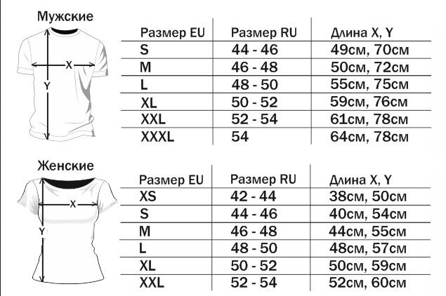

14 | For those, who will skydive:
14.1. | Total number of jumps
14.2. | Number of jumps in 2018г.
14.3. | Main canopy type (if any)
15 | Telephone number
16 | E-mail address

 | Head of the delegation
 | _____________________________________

 | «_____» «_______________» 2018 г.

